Calculations

 |  | STRIP 1 | STRIP 2 | STRIP 3 | STRIP 4 | STRIP 5
Control Peak | AREA | 22139 | 92398 | 3029 | 10948 | 12094
Bounds: (250, 300) | MAX VALUES | 58 | 23 | 48 | 97 | 32
Test Peak | AREA | 22139 | 92398 | 3029 | 10948 | 12094
Bounds: (50, 120) | MAX VALUES | 58 | 23 | 48 | 97 | 32

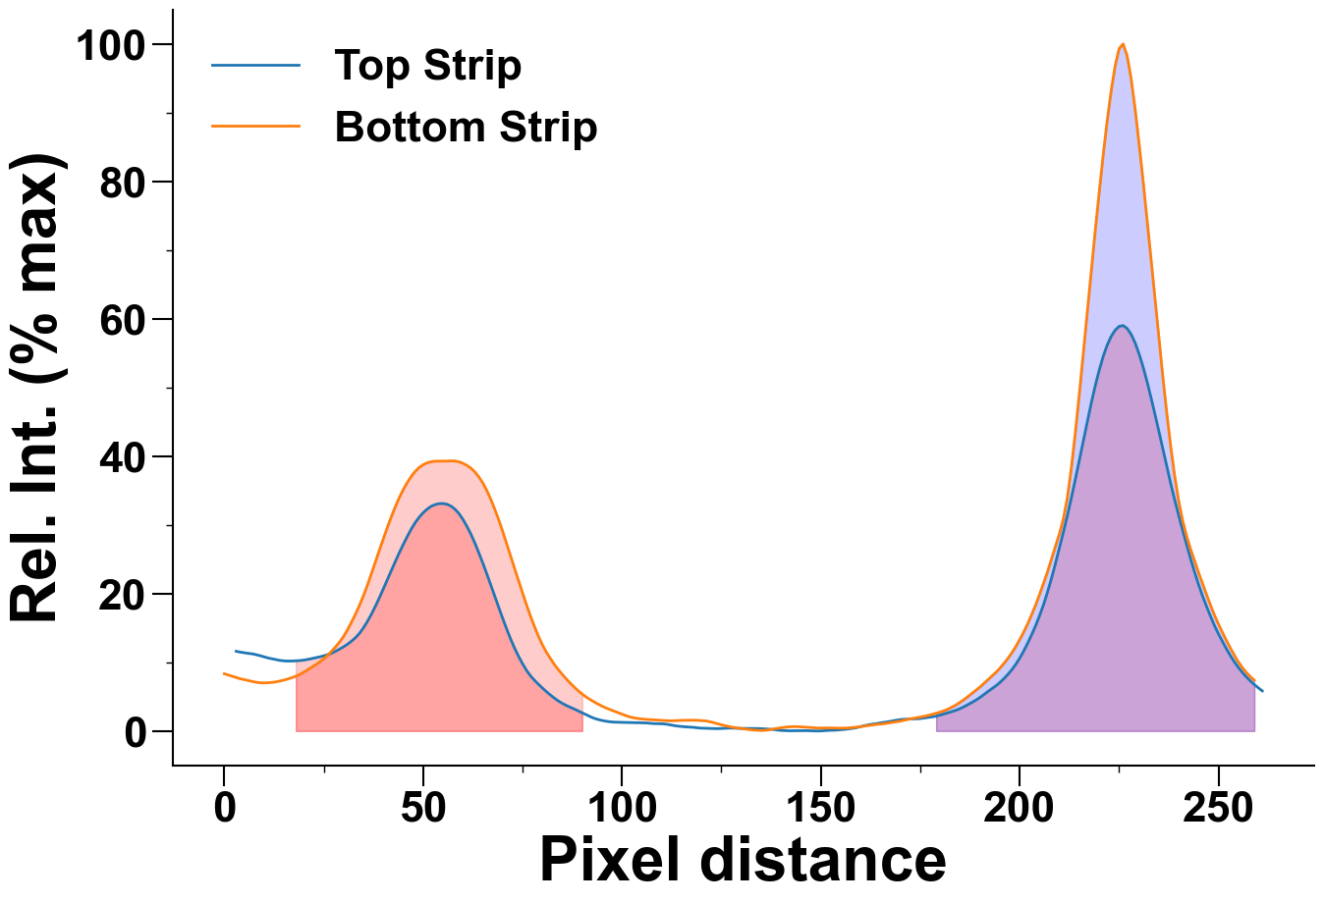
 | graph |  |  |  | crop

